Defects
Defect number | Defect title | steps | attachments | affected device | network | severity | priority | impact
Defect 1 | Merge catgories/accounts experience is like delete | 1. Launch the app. 2. press on application side menu from the upper bar. 3. press on Categroies side menu item. 4. press on (Taxi) category from expenses. 5. from (Edit Category) screen, press on the side menu from the upper bar. 6. press (Merge) option and merge this category to (Transport). 7. (Taxi) will be merged successfully to (Transport) category and will not exist anymore. Actual result: - Navigate to (Transport) Category, there is no info or indication that (Taxi) category was merged to it, what if i want to remove this merge? | 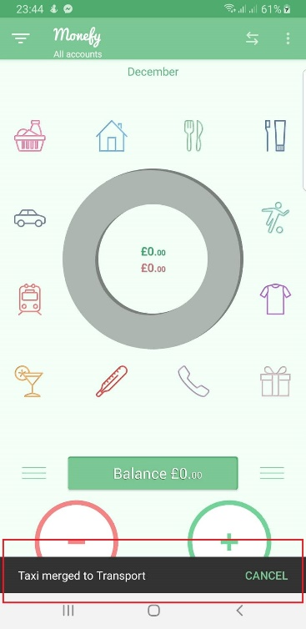 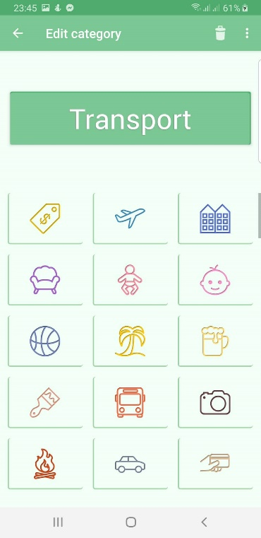 | android | 4G/Wifi | moderate | medium | This defect impacts user's experience regarding merge functionality, because the merged category cannot be retrieved again and this is the same behavior of deleting category

Defect 2 | (Future recurring records) is not translated to any other languages. | 1. Launch the app. 2. Navigate to application side menu. 3. From (GENERAL SETTINGS) section, change application Language. 4. Check the translation of (Future recurring records). Expectated result: - (Future recurring records) should be translated successfully Actual result: - (Future recurring records) was not translated. | 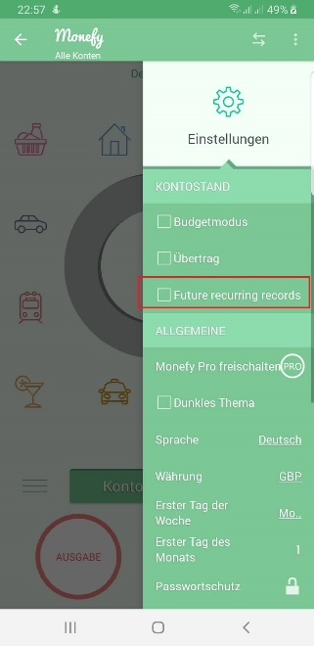 | Android | 4G/Wifi | minor | Medium | This defect affecting user experience, as this action is not translated to user's language and user does not know what it means.

Defect 3 | opening (choose date) and chossing the default selected date does not reflect to the pie chart result filteration. | 1. Launch the app. 2. add expensed on 2 different days (today and yesterday). 3. press on filter button and choose duration (Week / month /year/all). 4. after display of pie chart on one of the above format. 5. press on filter button again and press (Choose date) option. 6. from the displayed calender don't change anything and press done for the autoselected date. Expectated result: Pie chart should display the expenses/incomes of the autoselected day. Actual result: Pie chart are still displaying the old filter expenses/incomes (Week/month/year/all). | video link for this defect: https://drive.google.com/open?id=1k3m4Q2E-RXTLBbylhqX_vWttBGBDgsjT | android | 4G/Wifi | Moderate | Medium | This defect affect user's experience, as it doesn't perform its functionality based on what is selected.

Defect 4 | dismissing Google play message to buy pro app has UI issue. | 1. Launch the app. 2. from Side menu, press on currencies side menu item. 3. From (Monefy Pro) screen, press on (Buy $3.50 ) field. 4. when Google play message is displayed, dismiss the displayed message. 5. Check the behavior. Actual result: - a black screen boarder is animated from up to down while dismissing the displayed message. - Check attached video. | Video link for this defect: https://drive.google.com/open?id=1dm-x1BT403rynYwob1RNN1P--A1EIlnO | android | 4G/wifi | Minor | Low | this defect has no impact on any functionality, it is a minor issue that will enhance User interface.

Defect 5 | Inconsistent behavior of clear data option regarding (language and Currency). | 1. Clear application cache data. 2. Navigate to the application as a new user with new data. 3. check displayed language (English). 4. Check displayed currency (Pound sterling / GBP). 5. Change app language to (Deutsch). 6. From (DATA BACKUP) section in settings, press on (Clear data) term ---> (POIN1) 7. change Language from (deutsch) to (English). 8. From (DATA BACKUP) section in settings, Press on (Clear data) term ---> (POINT2). 9. Change Currency from (euro) to (Pound sterling / GBP). 10. From (DATA BACKUP) section in settings, press on (Clear data) term ---> (POINT3). Expected Result: - In the (THREE POINTS) Clearing data should display default language (English) and default currency (GBP). Actual Result: - (POINT1): (deutsch) language was remained after clearing data and Currency was changed to (Euro) although user did not change the currency. - (POINT2): (English) language was remained after clearing data and (Euro) currency is displayed although equivalent currency to (english) language is (GBP) from the beginning. - (POINT3): (English) language was remained after clearing data and (GBP) currency is kept displaying although in the previous point app kept (euro) currency to be equivalent to (English). | Video Link for this defect: https://drive.google.com/open?id=1c622CMxm1UyEBV9S6Wtz35cDBIalOBl2 | android | 4G/Wifi | Moderate | Medium | This defect affects user's experience regarding the behavior of (clear data) as it should have a clear action on usage.

Defect 6 | (Future recurring records) should not be checked as it is a pro fearure | 1. Launch the app. 2. press on side menu icon. 3. press on (Settings) from side menu items. 4. from (BALANCE) section, check (Future recurring records). 5. navigate to (Monefy Pro) page. Expected result: - trying to check (Future recurring records) checkbox should navigate user to (Monefy pro) screen as (recurring records) is a pro feature (Same behavior as dark theme checkbox). Actual result: - (Future recurring records) checkbox was checked successfully, but has no impact on pie chart or user balance. | video link for this defect: https://drive.google.com/open?id=1Pi6vv0teeLYFR_kYM_8xcdVRk8CGm646 | Android | 4G/wifi | Moderate | medium | user will not know how it can be used or whether it affects expenses representation or not as it does not has a clear functionality for non pro user.

Defect 7 | expenses percentage displayed in pie chart is approximated up and down not the exact. | 1. Launch the app. 2. add expenses category car (100000). 3. add expenses category clothes (1500). 4. Check the displayed percentages for each category on the pie chart. Expected result: - Clothes category percentage should be (1.47%) - Car category percentage should be (98.52%). Actual result: - Clothes category percentage is displayed (1%) - Car category percentage is displayed (99%) | 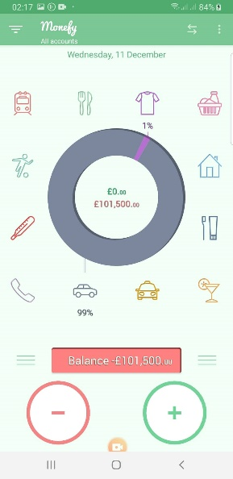 | Android | 4G/wifi | minor | Low | this will not cause a problem on small expenses as it is still noticable for the user but in case of a very large expense compared to a very small expense, the big one may have 100% percentage although there is another expense percentage. So, Approximation migh be better for the first decimal number.

Defect 8 | In case of 31 days month and applying budget mode, Division is occurred based on 30 days | 1. Launch the app. 2. Press on side menu item. 3. From (BALANCE SETTINGS) press on (Budget mode) checkbox and set 1500 GBP for this term. 4. Check the displayed budget value in the pie chart for 31 days month. Expected: - Budget value for every day of the 31 days month should be 48.38. Actual result: - Budget value for every day of the 31 days month is displayed as 50 For example December is a month of 31 days, i added 1500 as a budget value and 50 euros are added to the balance as attached screenshot. | 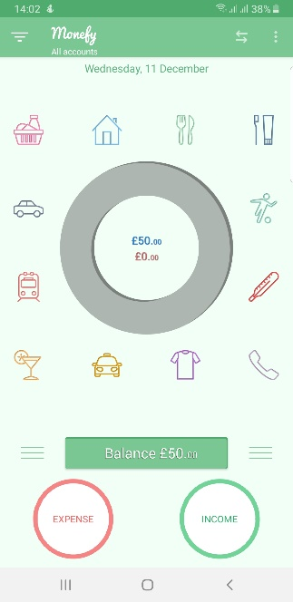 | Android | 4G/wifi | moderate | medium | this will impact user's balance for 31 days month as the balance displayed for the user is more than the actual one for this month.

